abstract
 |  |  |  | Baca County Colorado
 | Abstract Detail |  |  | 2020 Abstract of Assessment |  | Entity Levies & Revenue
Residential |  |  |  |  |  | Name | Valuation | Levy | Revenue
Revenue Distribution
County | 40.8%
Schools | 36.7%
Spec Dist. | 19.2%
Towns | 3.3%
Unimproved Land |  |  | 406,138 |  | # | County Gen. | 108,201,895 | 25.889 | 2,801,239
Improved Land |  |  | 505,735 |  |  | Road & Bridge | 108,201,895 | 4.000 | 432,808
Improvements & MH |  |  | 5,011,562 |  |  | Contingent | 108,201,895 | 0.000 | -
Ag. Residences & Ag MH |  |  | 2,048,770 |  |  | Social Srvcs. | 108,201,895 | 1.500 | 162,303
 |  |  |  |  |  | Cap. Expend. | 108,201,895 | 0.000 | -
 | Total Residential |  | 7,972,205 |  |  | Total |  | 31.389 | 3,396,349
Commercial & Industrial
Unimproved Land |  |  | 61,959 |  | #^^ | Walsh RE-1 | 28,385,384 | 25.323 | 718,803
Improved Land |  |  | 482,704 |  | #^^ | Pritchett RE-3 | 22,734,108 | 23.193 | 527,272
Improvements |  |  | 5,403,007 |  | #^^ | Springfield RE-4 | 31,732,624 | 39.613 | 1,257,024
Personal |  |  | 1,328,678 |  | # | Vilas RE-5 | 7,832,374 | 27.027 | 211,686
 | Total Commercial |  | 7,276,348 |  | #^^ | Campo RE-6 | 17,517,405 | 19.586 | 343,096
Improved Land |  |  | 7,323 |  |  |  | Towns
Improvements |  |  | 79,677 |  | #** | Campo | 213,688 | 21.873 | 4,674
Personal |  |  | 6,414 |  | # | Pritchett | 452,589 | 34.368 | 15,555
 | Total Industrial |  | 93,414 |  | # | Springfield | 7,095,918 | 21.485 | 152,456
Agricultural |  | Acres |  |  |  | Two Buttes | 334,512 | 10.162 | 3,399
Irrigated |  | 87,896 | 5,611,618 |  | # | Vilas | 132,390 | 41.077 | 5,438
Dry Farm |  | 713,986 | 13,315,891 |  | # | Walsh | 1,812,972 | 51.883 | 94,062
Property Class by Percentage
Residential | 7.4%
Commercial | 6.7%
Industrial | 0.1%
Agricultural | 24.8%
Nat. Resources | 1.2%
Oil & Gas | 1.6%
State Assessed | 58.2%
Grazing |  | 499,688 | 3,489,348
Waste |  | 81,999 | 354,752 |  |  | Prowers Hospital | 66 | 2.723 | 0.18
Ag Possessory Interest |  |  | 50,965 |  |  | SE Colo. Hosp. | 70,711,565 | 7.000 | 494,981
Ag Outbuildings |  |  | 2,981,359 |  | #^^ | Walsh Dist. Hosp. | 37,490,330 | 20.017 | 750,444
Other Ag Land |  |  | 144,497 |  | ** | Campo Cem. | 15,179,012 | 0.167 | 2,535
Other Ag Buildings |  |  | 879,273 |  |  | Minneapolis Cem. | 3,232,777 | 0.412 | 1,332
 | Total Agricultural |  | 26,827,703 |  | ** | Springfield Cem. | 54,229,373 | 0.968 | 52,494
Natural Resources |  |  |  |  |  | Stonington Cem. | 4,539,240 | 0.994 | 4,512
Earth & Stone |  |  | 13,824 |  |  | Two Buttes Cem. | 3,244,962 | 1.105 | 3,586
Severed Minerals |  |  | 1,259,706 |  | ** | Vilas Cem. | 8,664,078 | 0.926 | 8,023
Oil & Gas Personal Property |  |  | 1,057,798 |  | # | Walsh Cem. | 8,318,275 | 2.004 | 16,670
Oil & Gas Real Property |  |  | 674,497 |  |  | Baca Pest Control | 39,607,008 | 1.599 | 63,332
 | Total Nat. Resources |  | 3,005,825 |  |  | Two Buttes Fire | 5,520,499 | 1.502 | 8,292
Total County Assessed |  |  | 45,175,495 |  | ** | Campo Rec. | 17,517,405 | 0.676 | 11,842
State Assessed |  |  |  |  | ** | Springfield Rec. | 29,693,926 | 3.271 | 97,129
Railroad |  |  | 23,008,700 |  |  | Two Buttes Rec. | 3,244,962 | 3.290 | 10,676
Communications |  |  | 2,241,500 |  | ** | Vilas Rec. | 7,832,374 | 1.861 | 14,576
Rural Electric |  |  | 3,668,400 |  | #** | Walsh Rec. | 27,179,120 | 2.216 | 60,229
Gas Companies & Carriers |  |  | 31,338,800 |  |  | #Reflects an abatment levy in the net levy
Private Car Lines |  |  | 2,769,000 |  |  | **Reflects a temporary credit levy in the net levy
 | Total State Assessed |  | 63,026,400 |  |  | ^^Relects voter approved levy override
Total County Valuation |  |  | 108,201,895

Page 2
Information | BACA COUNTY
The Assessor's Office has nothing to do with | COLORADO
setting the levies. After the levies have been
set by the boards and certified to this office it is | ABSTRACT OF ASSESSMENT
the duty of the Assessor to extend the levies | AND TAX LEVIES
on the property as it has been assessed. | 2020
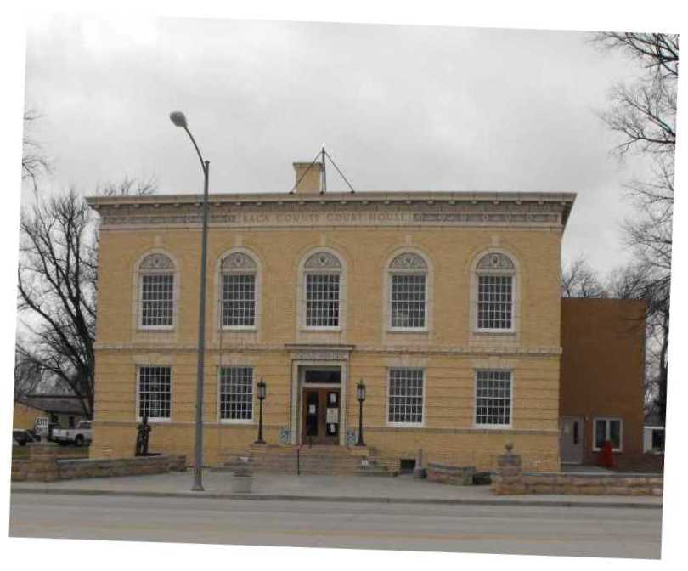
Each Board is responsible for setting its levy.
Courteous answers will be given to all inquiries
pertaining to taxation or property value.
Any error made by this office will be willingly
corrected.
Gayla J. Thompson, Assessor

Tax Due Dates | Distributed for your information by:
Total first half due by February 28 | Baca County Assessor
Total second half due by June 15 | Gayla J. Thompson
No interest if paid in full by April 30 | 741 Main St. Suite 6
Please bring your tax notices when paying taxes. | Springfield, CO 81073
This helps us not miss any properties. | (719) 523-4332
Susan Cochell, Treasurer
 | Email - bacaassr@bacacountyco.gov
Elected Officials | Baca Website: bacacountyco.gov
Commissioner - Glen (Spike) Ausmus | Office Hours M-F 8:30-4:30
Commissioner - Shiloh Freed
Commissioner - Rick Butler | Approved by
Assessor - Gayla J. Thompson | County Board of Equalizaton
Clerk & Recorder - Sharon Dubois | Division of Property Taxation
Coroner - Dr. Robert L. Morrow | State Board of Equalization
Sheriff - Aaron Shiplett
Treasurer - Susan Cochell

