abstract
 |  |  |  | Baca County Colorado
 | Abstract Detail |  |  | 2018 Abstract of Assessment |  | Entity Levies & Revenue
Residential |  |  |  |  |  | Name | Valuation | Levy | Revenue
Revenue Distribution
County | 41.1%
Schools | 34.5%
Spec Dist. | 20.7%
Towns | 3.7%
Unimproved Land |  |  | 382,813 |  | * | County Gen. | 93,276,506 | 26.937 | 2,512,589
Improved Land |  |  | 477,522 |  |  | Road & Bridge | 93,276,506 | 2.500 | 233,191
Improvements & MH |  |  | 4,628,603 |  |  | Contingent | 93,276,506 |  | -
Ag. Residences & Ag MH |  |  | 1,910,752 |  |  | Social Srvcs. | 93,276,506 | 1.500 | 139,915
 |  |  |  |  |  | Cap. Expend. | 93,276,506 |  | -
 | Total Residential |  | 7,399,690 |  |  | Total |  | 30.937 | 2,885,695
Commercial & Industrial
Unimproved Land |  |  | 53,930 |  | ^^* | Walsh RE-1 | 27,291,174 | 27.307 | 745,240
Improved Land |  |  | 487,043 |  | ^^* | Pritchett RE-3 | 17,195,605 | 24.623 | 423,407
Improvements |  |  | 5,340,032 |  | * | Springfield RE-4 | 28,262,818 | 27.020 | 763,661
Personal |  |  | 1,191,751 |  | * | Vilas RE-5 | 6,665,181 | 27.007 | 180,007
 | Total Commercial |  | 7,072,756 |  | ^^* | Campo RE-6 | 13,861,728 | 22.249 | 308,410
Improved Land |  |  | 7,323 |  |  |  | Towns
Improvements |  |  | 86,896 |  |  | Campo | 192,897 | 22.270 | 4,296
Personal |  |  | 2,900 |  |  | Pritchett | 474,163 | 34.266 | 16,248
 | Total Industrial |  | 97,119 |  |  | Springfield | 6,697,582 | 21.460 | 143,730
Agricultural |  | Acres |  |  |  | Two Buttes | 328,457 | 10.162 | 3,338
Irrigated |  | 85,227 | 5,363,199 |  |  | Vilas | 130,705 | 40.299 | 5,267
Dry Farm |  | 715,740 | 13,377,004 |  |  | Walsh | 1,747,758 | 51.412 | 89,856
Property Class by Percentage
Residential | 7.9%
Commercial | 7.6%
Industrial | 0.1%
Agricultural | 28.0%
Nat. Resources | 1.4%
Oil & Gas | 2.4%
State Assessed | 52.6%
Grazing |  | 499,789 | 3,327,148
Waste |  | 82,477 | 337,175 |  |  | Prowers Hospital | 66 | 2.723 | 0.18
Ag Possessory Interest |  |  | 52,697 |  | ^^ | SE Colo. Hosp. | 57,536,081 | 7.000 | 402,753
Ag Outbuildings |  |  | 2,639,804 |  | ^^* | Walsh Dist. Hosp. | 35,740,425 | 20.004 | 714,951
Other Ag Land |  |  | 124,102 |  |  | Campo Cem. | 12,250,251 | 0.192 | 2,352
Other Ag Buildings |  |  | 894,686 |  | ** | Minneapolis Cem. | 3,193,278 | 0.411 | 1,312
 | Total Agricultural |  | 26,115,815 |  | ** | Springfield Cem. | 44,595,065 | 1.059 | 47,226
Natural Resources |  |  |  |  |  | Stonington Cem. | 4,772,828 | 0.994 | 4,744
Earth & Stone |  |  | 26,639 |  |  | Two Buttes Cem. | 3,166,577 | 1.105 | 3,499
Severed Minerals |  |  | 1,259,004 |  |  | Vilas Cem. | 7,450,563 | 0.987 | 7,354
Oil & Gas Personal Property |  |  | 1,269,434 |  |  | Walsh Cem. | 8,280,659 | 2.000 | 16,561
Oil & Gas Real Property |  |  | 1,001,849 |  |  | Baca Pest Control | 38,056,720 | 1.599 | 60,853
 | Total Nat. Resources |  | 3,556,926 |  |  | Two Buttes Fire | 5,424,229 | 1.502 | 8,147
Total County Assessed |  |  | 44,242,306 |  |  | Campo Rec. | 13,861,728 | 0.792 | 10,978
State Assessed |  |  |  |  |  | Springfield Rec. | 26,285,147 | 3.416 | 89,790
Railroad |  |  | 18,526,600 |  |  | Two Buttes Rec. | 3,166,577 | 3.290 | 10,418
Communications |  |  | 2,366,400 |  |  | Vilas Rec. | 6,665,181 | 2.000 | 13,330
Rural Electric |  |  | 2,877,200 |  |  | Walsh Rec. | 26,102,268 | 2.241 | 58,495
Gas Companies & Carriers |  |  | 22,925,100 |  |  | *Reflects an abatment levy in the net levy
Private Car Lines |  |  | 2,338,900 |  |  | **Reflects a temporary credit levy in the net levy
 | Total State Assessed |  | 49,034,200 |  |  | ^^Relects voter approved levy override
Total County Valuation |  |  | 93,276,506

Page 2
Information | BACA COUNTY
The Assessor's Office has nothing to do with | COLORADO
setting the levies. After the levies have been
set by the boards and certified to this office it is | ABSTRACT OF ASSESSMENT
the duty of the Assessor to extend the levies | AND TAX LEVIES
on the property as it has been assessed. | 2018
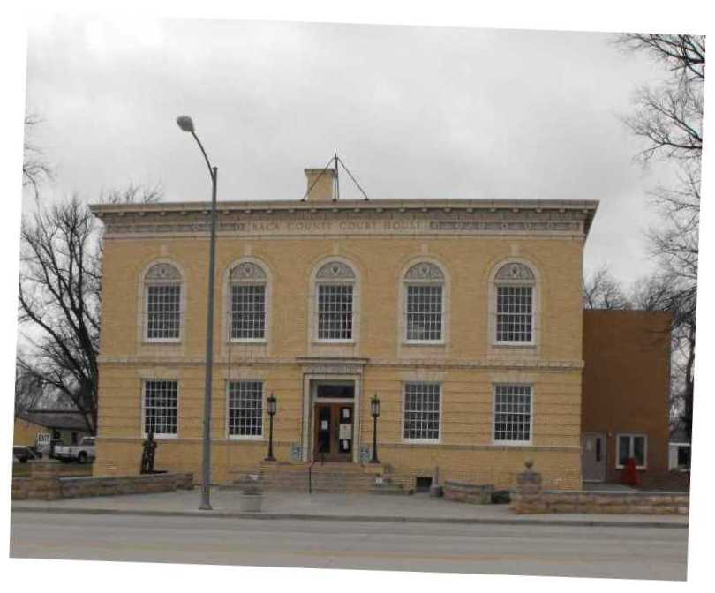
Each Board is responsible for setting its levy.
Courteous answers will be given to all inquiries
pertaining to taxation or property value.
Any error made by this office will be willingly
corrected.
Gayla J. Thompson, Assessor

Tax Due Dates | Distributed for your information by:
Total first half due by February 28, 2019 | Gayla J. Thompson
Total second half due by June 17, 2019 | Baca County Assessor
No interest if paid in full by May 1, 2019 | 741 Main St. Suite 6
Please bring your tax notices when paying taxes. | Springfield, CO 81073
This helps us not miss any properties. | (719) 523-4332
Susan Cochell, Treasurer | (719) 523-4735 Fax
 | Email - bacaassr@bacacountyco.gov
Elected Officials | Baca Website: bacacountyco.gov
Commissioner - Glen (Spike) Ausmus | Office Hours M-F 8:30-4:30
Commissioner - Peter Dawson
Commissioner - Rick Butler | Approved by
Assessor - Gayla J. Thompson | County Board of Equalizaton
Clerk & Recorder - Sharon Dubois | Division of Property Taxation
Coroner - Dr. Robert L. Morrow | State Board of Equalization
Sheriff - Dave Campbell
Treasurer - Susan Cochell

